Sheet1
 |  |  |  |  | VA Technical Training Dummy Module

Name: Demo Market Module
Prefix: DMMT1_

Window Name : Demo Product
Tab Names : 1.) Product 2.) Product Price
Table Names : 1.) DMMT1_Product 2.) DMMT1_ProductPrice |  |  |  |  |  |  | Fields on Product Tab

 |  |  |  |  |  |  | Field Name | DB Column Name | Reference
 |  |  |  |  |  |  | Product Name | DMMT1_Name | String
 |  |  |  |  |  |  | Product Code | DMMT1_ProductCode | String
 |  |  |  |  |  |  | Product Category | DMMT1_ProductCategory | List
 |  |  |  |  |  |  | Process Product | DMMT1_ProcessProduct | Button
 |  |  |  |  |  |  | Processed | Processed | Yes-No

 | List Reference
 | Values sholud be : |  |  |  |  | Read Only Field
 | Item | IT
 | Service | SE |  | Mandatory String Field

 |  |  | Button, on button click, Processed checkbox which is read only shall be set to true

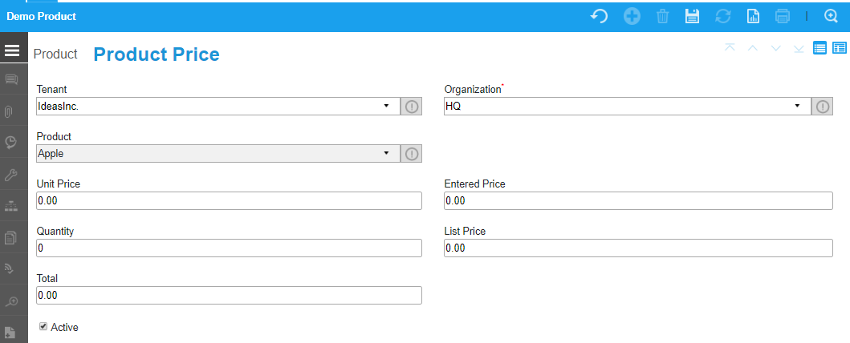

 |  |  |  |  |  |  | Fields on Product Price Tab
 |  |  |  |  |  |  | Field Name | DB Column Name | Reference
 |  |  |  |  |  |  | Product | DMMT1_Product_ID | Table Direct
 |  |  |  |  |  |  | Unit Price | DMMT1_UnitPrice | Amount
 |  |  |  |  |  |  | Entered Price | DMMT1_EnteredPrice | Amount
 |  |  |  |  |  |  | Quantity | DMMT1_Quantity | Amount
 |  |  |  |  |  |  | List Price | DMMT1_ListPrice | Amount
 |  |  |  |  |  |  | Total | DMMT1_Total | Amount

NOTE :
1.) There shold be parent child relation between these two tabs
2.) List price should not be less than entered Price (Apply before save logic)
3.) On changing or entering either Entered Price or Quantity, Total sholud be calculated i.e. Entered Price * Quantity = Total, and set this total in "Total" Field

